(a)
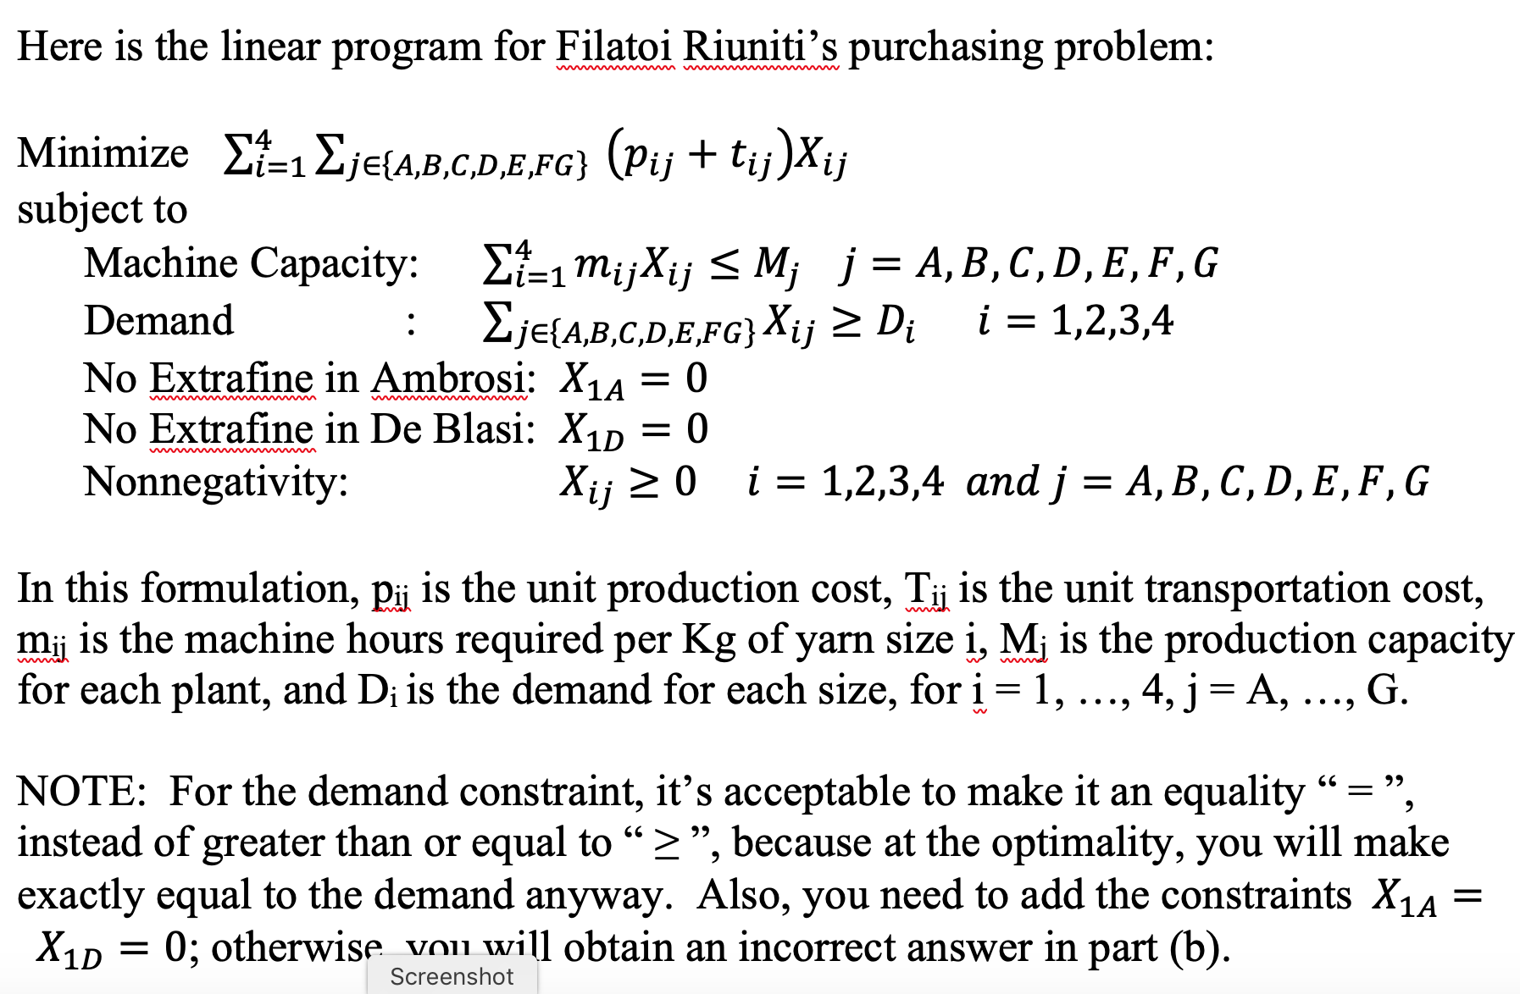
(a) Formulate Filatoi Riuniti's purchasing problem for the coming month (March):

1. Using the decision variables Xij as described in the case description, write down the formula for the objective function of your model.
Decision Variables: Xij = amount of yarn size i that the mill j would be assigned to produced, where i = 1, 2, 3, and 4 mean “extra fine”, “fine”, “medium”, and “coarse”, respectively, and j = A, B, C, D, E, F, G mean Ambrosi, Bresciani, Castri, De Blasi, Estensi, Filatoi Riuniti, and Giuliani.

Objective Fuction:

2. Your model must have a capacity constraint for each local spinning mill. Using the decision variables Xij as described in the case description, write down the capacity constraints for the Ambrosi mill, for example.
Capacity Constraint for the Ambrosi Mill: (0.400 * X_{2,A}) + (0.375 * X_{3,A}) + (0.250 * X_{4,A}) <= 2500

3. Filatoi Riuniti must meet demand for each of the four sizes of yarn. Your model must have a constraint for the demand for each of the four sizes of yarn. Using the decision variables Xij as described in the case description, write down the constraint for the demand for extra fine yarn, for example.
Demand Constraint for Extra Fine Yarn: X_{1,A} + X_{1,B} + X_{1,C} + X_{1,D} + X_{1,E} + X_{1,F} + X_{1,G} >= 25,000

Optional:

(b)
Filatoi Riuniti - Model for optimizing the production schedule - March

DECISION VARIABLES |  |  |  |  | MACHINE HOURS REQUIRED FOR PRODUCTION |  |  |  |  | PRODUCTION
Product bought from each supplier (Kg/month) |  |  |  |  | (Hours/Kg) |  |  |  |  | CAPACITY
 | Size |  |  |  |  | Size |  |  |  | (Machine hours
Supplier | Extrafine | Fine | Medium | Coarse | Supplier | Extrafine | Fine | Medium | Coarse | per month)
Ambrosi | - | 6,250 | - | - | Ambrosi |  | 0.400 | 0.375 | 0.250 | 2,500
Bresciani | 4,286 | - | - | - | Bresciani | 0.700 | 0.500 | 0.350 | 0.250 | 3,000
Castri | 3,704 | - | - | - | Castri | 0.675 | 0.450 | 0.400 | 0.250 | 2,500
De Blasi | - | - | 2,040 | - | De Blasi |  | 0.450 | 0.350 | 0.200 | 2,600
Estensi | 3,846 | - | - | - | Estensi | 0.650 | 0.450 | 0.400 | 0.250 | 2,500
Filatoi R. | 13,164 | 19,750 | 18,817 | 28,000 | Filatoi R. | 0.625 | 0.500 | 0.425 | 0.425 | 38,000
Giuliani | - | - | 7,143 | - | Giuliani | 0.700 | 0.450 | 0.350 | 0.400 | 2,500
 |  |  |  |  |  |  |  |  |  |  |  |  |  |  | 1382544

COST OF PRODUCTION |  |  |  |  | COST OF TRANSPORTATION
($/Kg) |  |  |  |  | ($/Kg)
 | Size |  |  |  |  | Size |  |  |  | Round trip distance
Supplier | Extrafine | Fine | Medium | Coarse | Supplier | Extrafine | Fine | Medium | Coarse | (Km)
Ambrosi |  | 13.00 | 10.65 | 9.60 | Ambrosi | 0.30 | 0.30 | 0.45 | 0.45 | 30 | 0.30 | 13.30 | 11.10 | 10.05
Bresciani | 17.40 | 14.10 | 11.20 | 9.45 | Bresciani | 0.40 | 0.40 | 0.60 | 0.60 | 40 | 17.80 | 14.50 | 11.80 | 10.05
Castri | 17.40 | 14.22 | 11.00 | 9.50 | Castri | 0.80 | 0.80 | 1.20 | 1.20 | 80 | 18.20 | 15.02 | 12.20 | 10.70
De Blasi |  | 14.30 | 11.25 | 9.60 | De Blasi | 0.70 | 0.70 | 1.05 | 1.05 | 70 | 0.70 | 15.00 | 12.30 | 10.65
Estensi | 17.50 | 13.80 | 11.40 | 9.60 | Estensi | 0.70 | 0.70 | 1.05 | 1.05 | 70 | 18.20 | 14.50 | 12.45 | 10.65
Filatoi R. | 18.25 | 13.90 | 11.40 | 8.90 | Filatoi R. | - | - | - | - | - | 18.25 | 13.90 | 11.40 | 8.90
Giuliani | 19.75 | 13.90 | 10.75 | 9.40 | Giuliani | 0.50 | 0.50 | 0.75 | 0.75 | 50 | 20.25 | 14.40 | 11.50 | 10.15

 |  |  |  |  | ($/Kg/Km) | 0.010 | 0.010 | 0.015 | 0.015

DEMAND TO MEET
(Kg/month)
 | Extrafine | Fine | Medium | Coarse
 | 25,000 | 26,000 | 28,000 | 28,000

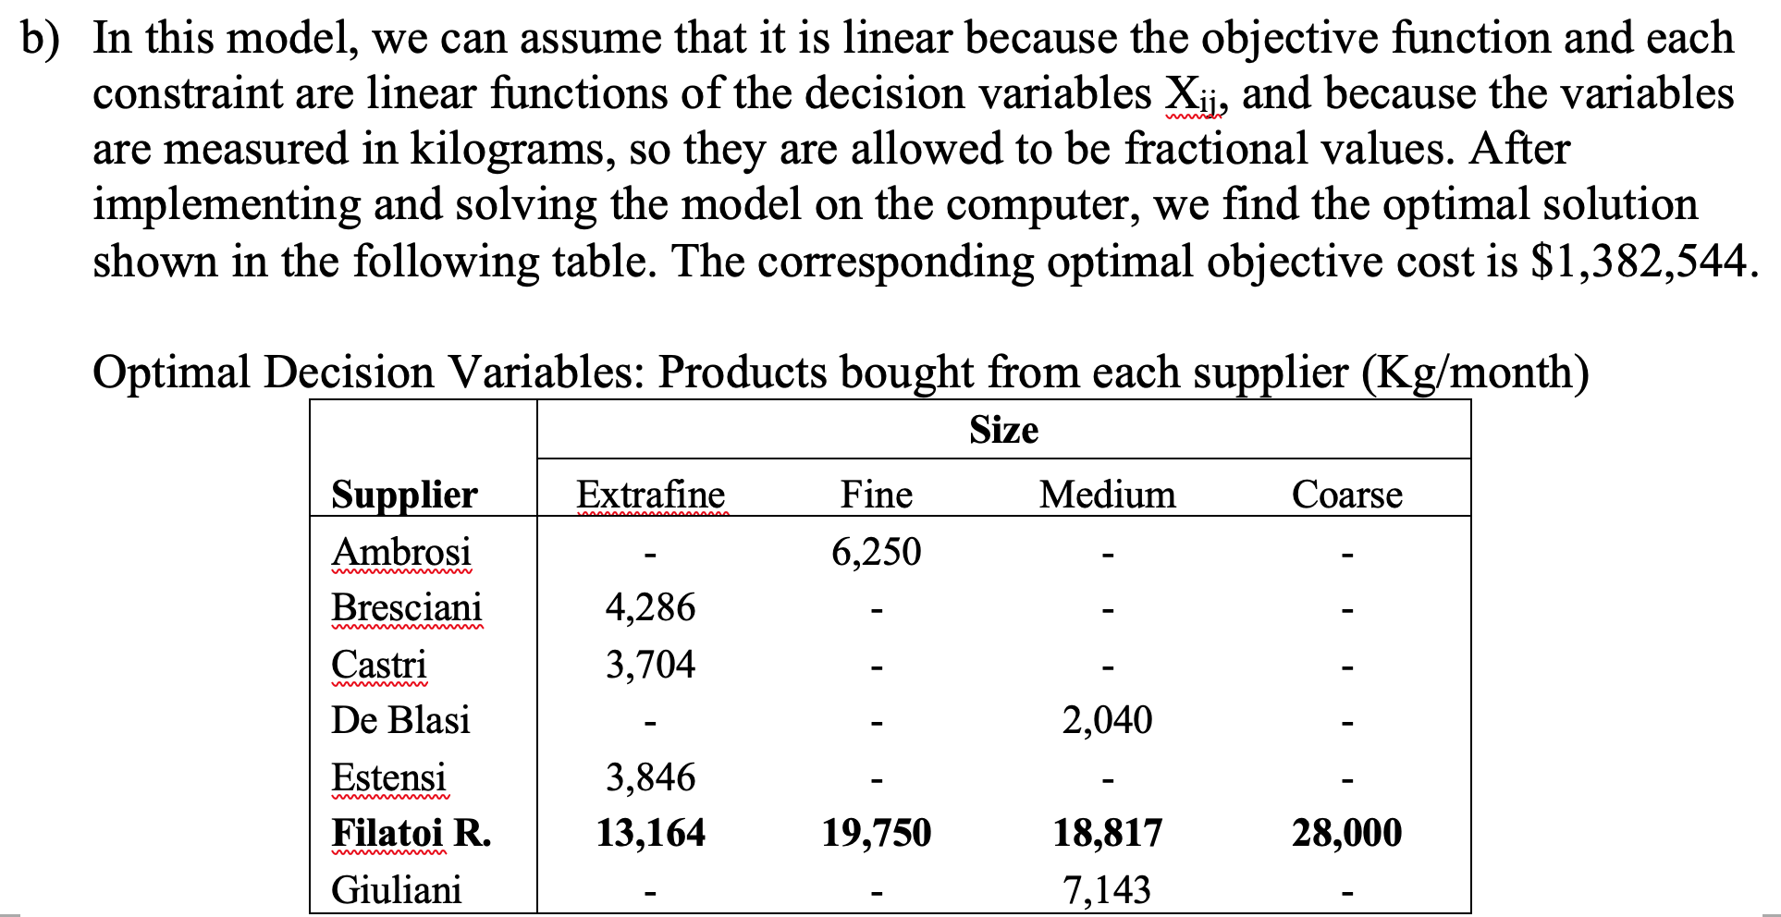
OBJECTIVE FUNCTION
Total cost (production+transportation) ($) |  |  |  | 1,382,544

CONSTRAINTS |  | Actual | sign | RHS
Capacity
 | Ambrosi | 2,500 | <= | 2,500
 | Bresciani | 3,000 | <= | 3,000
 | Castri | 2,500 | <= | 2,500
 | De Blasi | 714 | <= | 2,600
 | Estensi | 2,500 | <= | 2,500
 | Filatoi R. | 38,000 | <= | 38,000
 | Giuliani | 2,500 | <= | 2,500

Demand
 | Extrafine | 25,000 | >= | 25000
 | Fine | 26,000 | >= | 26,000
 | Medium | 28,000 | >= | 28,000
 | Coarse | 28,000 | >= | 28,000

(c)
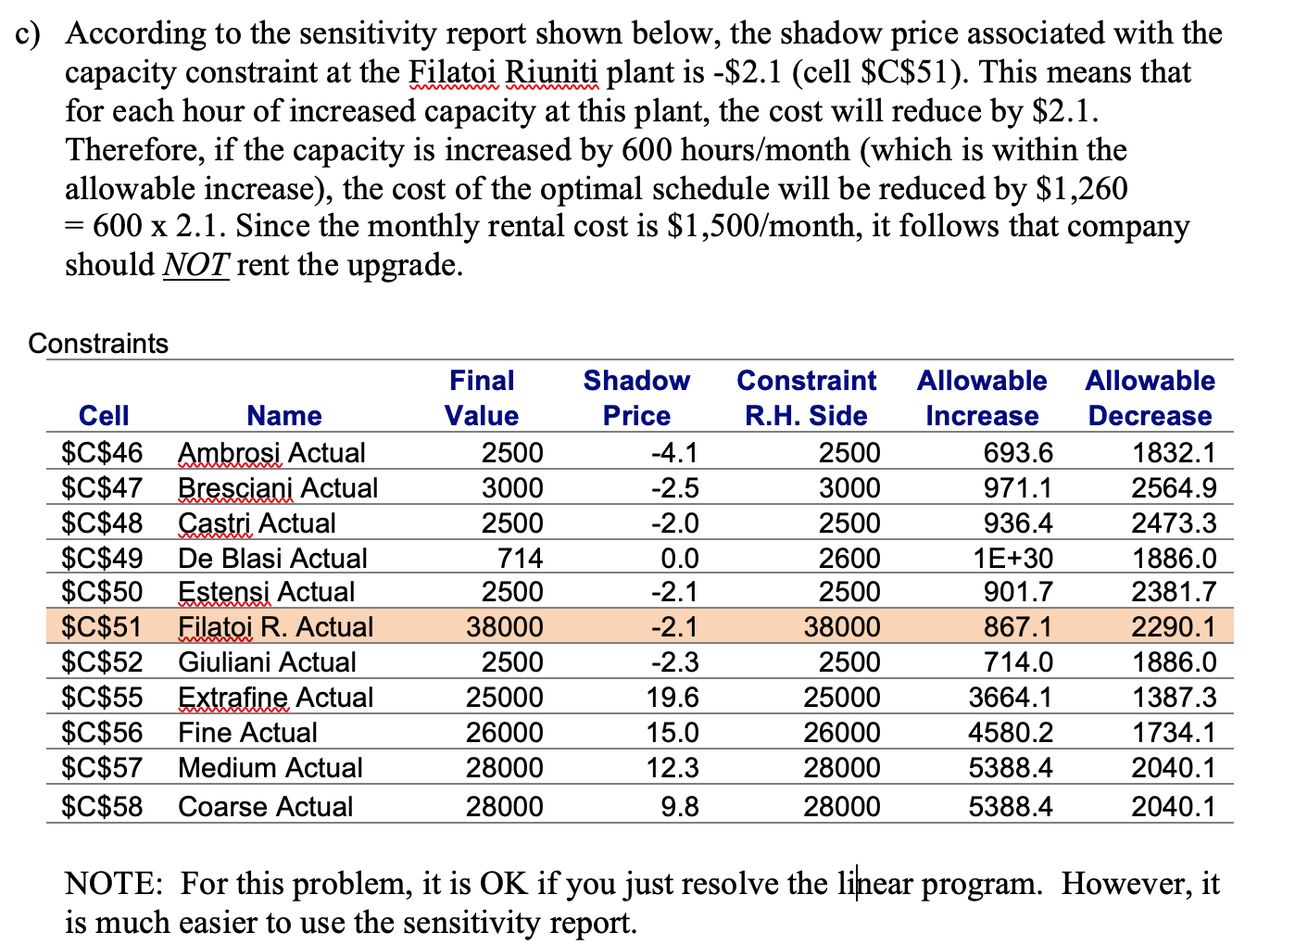
Microsoft Excel 16.45 Sensitivity Report
Worksheet: [HW2_FILATOIR_SOLUTION.xlsx]original
Report Created: 2/4/21 10:19:05 AM

Variable Cells
 |  |  | Final | Reduced | Objective | Allowable | Allowable
 | Cell | Name | Value | Cost | Coefficient | Increase | Decrease
 | $B$8 | Ambrosi Extrafine | 0 | -19.273529412 | 0.3 | 1E+30 | 19.273529412
 | $C$8 | Ambrosi Fine | 6250 | 0 | 13.3 | 0.37882352941 | 1E+30
 | $D$8 | Ambrosi Medium | 0 | 0.35514705882 | 11.1 | 1E+30 | 0.35514705882
 | $E$8 | Ambrosi Coarse | 0 | 1.2867647059 | 10.05 | 1E+30 | 1.2867647059
 | $B$9 | Bresciani Extrafine | 4285.7142857 | 0 | 17.8 | 0.77352941176 | 1E+30
 | $C$9 | Bresciani Fine | 0 | 0.80798319328 | 14.5 | 1E+30 | 0.80798319328
 | $D$9 | Bresciani Medium | 0 | 0.38676470588 | 11.8 | 1E+30 | 0.38676470588
 | $E$9 | Bresciani Coarse | 0 | 0.88340336134 | 10.05 | 1E+30 | 0.88340336134
 | $B$10 | Castri Extrafine | 3703.7037037 | 0 | 18.2 | 1.2047794118 | 1E+30
 | $C$10 | Castri Fine | 0 | 0.9768627451 | 15.02 | 1E+30 | 0.9768627451
 | $D$10 | Castri Medium | 0 | 0.71394335512 | 12.2 | 1E+30 | 0.71394335512
 | $E$10 | Castri Coarse | 0 | 1.4087145969 | 10.7 | 1E+30 | 1.4087145969
 | $B$11 | De Blasi Extrafine | 0 | -18.873529412 | 0.7 | 1E+30 | 18.873529412
 | $C$11 | De Blasi Fine | 0 | 0.041176470588 | 15 | 1E+30 | 0.041176470588
 | $D$11 | De Blasi Medium | 2040.1254519 | 0 | 12.3 | 0.035 | 0.8
 | $E$11 | De Blasi Coarse | 0 | 0.85 | 10.65 | 1E+30 | 0.85
 | $B$12 | Estensi Extrafine | 3846.1538462 | 0 | 18.2 | 0.71078431373 | 1E+30
 | $C$12 | Estensi Fine | 0 | 0.49208144796 | 14.5 | 1E+30 | 0.49208144796
 | $D$12 | Estensi Medium | 0 | 0.99524886878 | 12.45 | 1E+30 | 0.99524886878
 | $E$12 | Estensi Coarse | 0 | 1.378280543 | 10.65 | 1E+30 | 1.378280543
 | $B$13 | Filatoi R. Extrafine | 13164.428164 | 0 | 18.25 | 2.2764705882 | 0.71078431373
 | $C$13 | Filatoi R. Fine | 19750 | 0 | 13.9 | 0.041176470588 | 0.37882352941
 | $D$13 | Filatoi R. Medium | 18817.017405 | 0 | 11.4 | 0.322 | 0.035
 | $E$13 | Filatoi R. Coarse | 28000 | 0 | 8.9 | 0.85 | 9.8
 | $B$14 | Giuliani Extrafine | 0 | 2.2764705882 | 20.25 | 1E+30 | 2.2764705882
 | $C$14 | Giuliani Fine | 0 | 0.46974789916 | 14.4 | 1E+30 | 0.46974789916
 | $D$14 | Giuliani Medium | 7142.8571429 | 0 | 11.5 | 0.36535947712 | 1E+30
 | $E$14 | Giuliani Coarse | 0 | 1.2642857143 | 10.15 | 1E+30 | 1.2642857143

Constraints
 |  |  | Final | Shadow | Constraint | Allowable | Allowable
 | Cell | Name | Value | Price | R.H. Side | Increase | Decrease
 | $C$46 | Ambrosi Actual | 2500 | -4.1470588235 | 2500 | 693.64265364 | 1832.0716321
 | $C$47 | Bresciani Actual | 3000 | -2.5336134454 | 3000 | 971.0997151 | 2564.9002849
 | $C$48 | Castri Actual | 2500 | -2.0348583878 | 2500 | 936.41758242 | 2473.2967033
 | $C$49 | De Blasi Actual | 714.04390816 | 0 | 2600 | 1E+30 | 1885.9560918
 | $C$50 | Estensi Actual | 2500 | -2.1131221719 | 2500 | 901.73544974 | 2381.6931217
 | $C$51 | Filatoi R. Actual | 38000 | -2.1176470588 | 38000 | 867.05331705 | 2290.0895401
 | $C$52 | Giuliani Actual | 2500 | -2.2857142857 | 2500 | 714.04390816 | 1885.9560918
 | $C$55 | Extrafine Actual | 25000 | 19.573529412 | 25000 | 3664.1432641 | 1387.2853073
 | $C$56 | Fine Actual | 26000 | 14.958823529 | 26000 | 4580.1790802 | 1734.1066341
 | $C$57 | Medium Actual | 28000 | 12.3 | 28000 | 5388.4459767 | 2040.1254519
 | $C$58 | Coarse Actual | 28000 | 9.8 | 28000 | 5388.4459767 | 2040.1254519

(d)
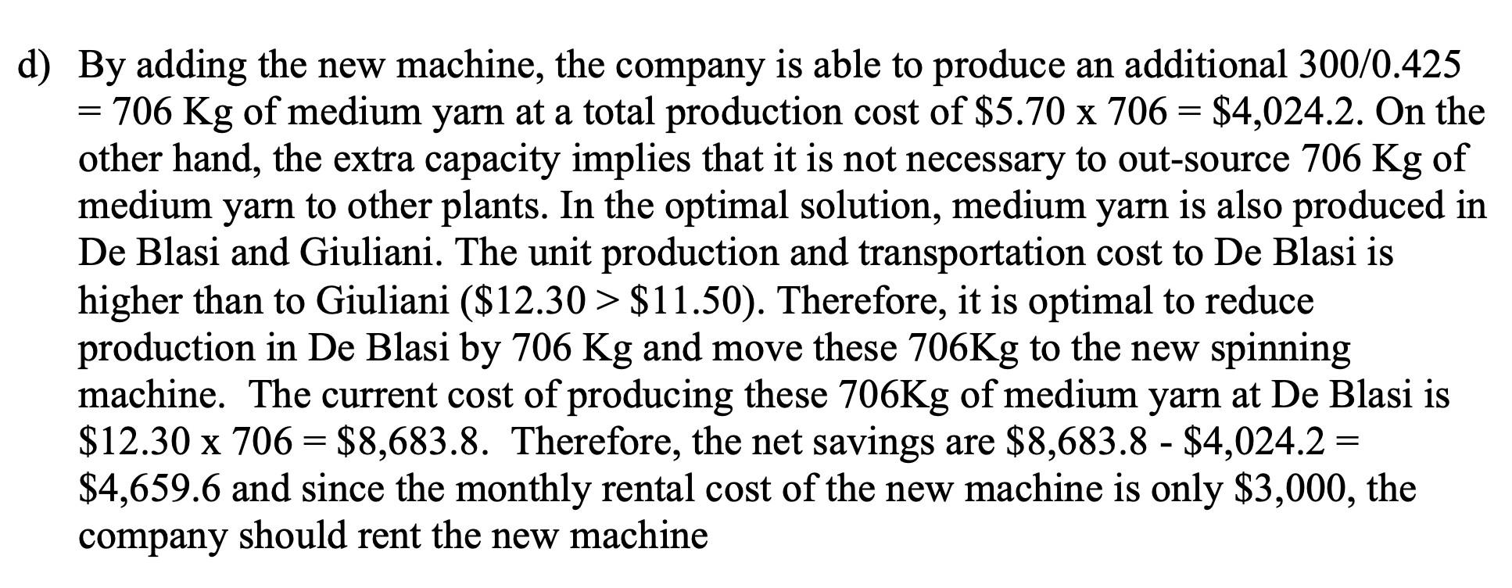

(e)
Filatoi Riuniti - Model for optimizing the production schedule - March

DECISION VARIABLES |  |  |  |  | MACHINE HOURS REQUIRED FOR PRODUCTION |  |  |  |  | PRODUCTION
Product bought from each supplier (Kg/month) |  |  |  |  | (Hours/Kg) |  |  |  |  | CAPACITY
 | Size |  |  |  |  | Size |  |  |  | (Machine hours
Supplier | Extrafine | Fine | Medium | Coarse | Supplier | Extrafine | Fine | Medium | Coarse | per month)
Ambrosi | - | 6,250 | - | - | Ambrosi |  | 0.400 | 0.375 | 0.250 | 2,500
Bresciani | 4,285 | - | 2 | - | Bresciani | 0.700 | 0.500 | 0.350 | 0.250 | 3,000
Castri | 3,704 | - | - | - | Castri | 0.675 | 0.450 | 0.400 | 0.250 | 2,500
De Blasi | - | - | 7,429 | - | De Blasi |  | 0.450 | 0.350 | 0.200 | 2,600
Estensi | 3,846 | - | - | - | Estensi | 0.650 | 0.450 | 0.400 | 0.250 | 2,500
Filatoi R. | 13,165 | 19,750 | 18,815 | 28,000 | Filatoi R. | 0.625 | 0.500 | 0.425 | 0.425 | 38,000
Giuliani | - | - | 7,143 | - | Giuliani | 0.700 | 0.450 | 0.350 | 0.400 | 2,500

COST OF PRODUCTION |  |  |  |  | COST OF TRANSPORTATION
($/Kg) |  |  |  |  | ($/Kg)
 | Size |  |  |  |  | Size |  |  |  | Round trip distance
Supplier | Extrafine | Fine | Medium | Coarse | Supplier | Extrafine | Fine | Medium | Coarse | (Km)
Ambrosi |  | 13.00 | 10.65 | 9.60 | Ambrosi | 0.30 | 0.30 | 0.45 | 0.45 | 30
Bresciani | 17.40 | 14.10 | 11.20 | 9.45 | Bresciani | 0.40 | 0.40 | 0.60 | 0.60 | 40
Castri | 17.40 | 14.22 | 11.00 | 9.50 | Castri | 0.80 | 0.80 | 1.20 | 1.20 | 80
De Blasi |  | 14.30 | 11.25 | 9.60 | De Blasi | 0.70 | 0.70 | 1.05 | 1.05 | 70
Estensi | 17.50 | 13.80 | 11.40 | 9.60 | Estensi | 0.70 | 0.70 | 1.05 | 1.05 | 70
Filatoi R. | 18.25 | 13.90 | 11.40 | 8.90 | Filatoi R. | - | - | - | - | -
Giuliani | 19.75 | 13.90 | 10.75 | 9.40 | Giuliani | 0.50 | 0.50 | 0.75 | 0.75 | 50

 |  |  |  |  | ($/Kg/Km) | 0.010 | 0.010 | 0.015 | 0.015
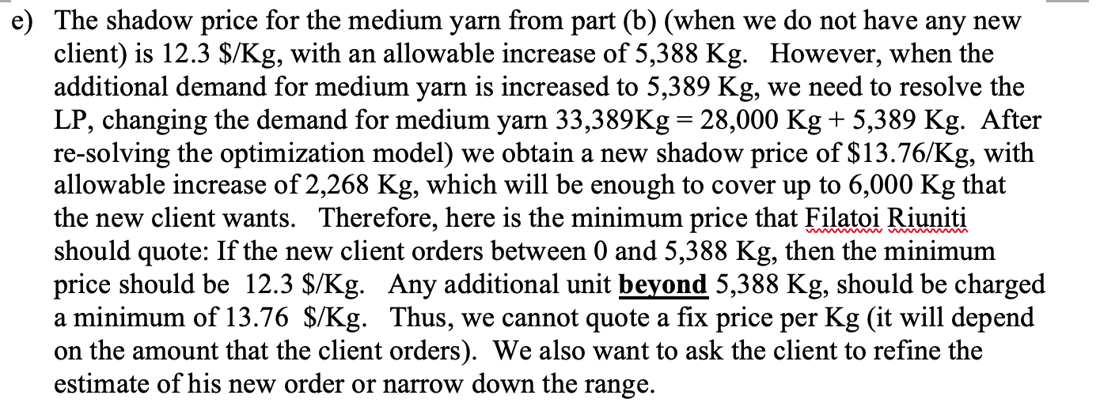
DEMAND TO MEET
(Kg/month)
 | Extrafine | Fine | Medium | Coarse
 | 25,000 | 26,000 | 33,389 | 28,000

 |  |  |  |  | Increase the amount of medium yarn demand to 33,389 Kg
OBJECTIVE FUNCTION
Total cost (production+transportation) ($) |  |  |  | 1,448,830

CONSTRAINTS |  | Actual | sign | RHS
Capacity
 | Ambrosi | 2,500 | <= | 2,500
 | Bresciani | 3,000 | <= | 3,000
 | Castri | 2,500 | <= | 2,500
 | De Blasi | 2,600 | <= | 2,600
 | Estensi | 2,500 | <= | 2,500
 | Filatoi R. | 38,000 | <= | 38,000
 | Giuliani | 2,500 | <= | 2,500

Demand
 | Extrafine | 25,000 | >= | 25000
 | Fine | 26,000 | >= | 26,000
 | Medium | 33,389 | >= | 33,389
 | Coarse | 28,000 | >= | 28,000

(f)
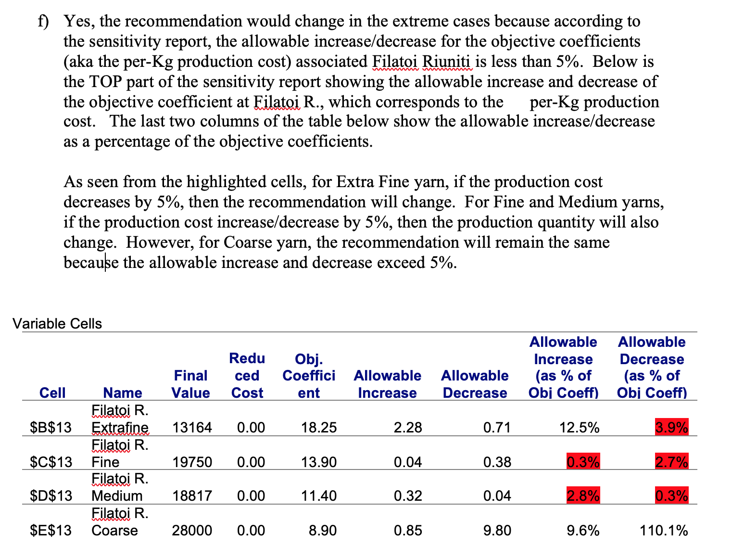

(h)
Filatoi Riuniti - Model for optimizing the production schedule - March

DECISION VARIABLES |  |  |  |  | MACHINE HOURS REQUIRED FOR PRODUCTION |  |  |  |  | PRODUCTION
Product bought from each supplier (Kg/month) |  |  |  |  | (Hours/Kg) |  |  |  |  | CAPACITY
 | Size |  |  |  |  | Size |  |  |  | (Machine hours
Supplier | Extrafine | Fine | Medium | Coarse | Supplier | Extrafine | Fine | Medium | Coarse | per month)
Ambrosi | - | - | 6,667 | - | Ambrosi |  | 0.400 | 0.375 | 0.250 | 2,500
Bresciani | 4,286 | - | - | - | Bresciani | 0.700 | 0.500 | 0.350 | 0.250 | 3,000
Castri | 3,704 | - | - | - | Castri | 0.675 | 0.450 | 0.400 | 0.250 | 2,500
De Blasi | - | - | 2,726 | - | De Blasi |  | 0.450 | 0.350 | 0.200 | 2,600
Estensi | 3,846 | - | - | - | Estensi | 0.650 | 0.450 | 0.400 | 0.250 | 2,500
Filatoi R. | 13,164 | 26,000 | 11,464 | 28,000 | Filatoi R. | 0.625 | 0.500 | 0.425 | 0.425 | 38,000
Giuliani | - | - | 7,143 | - | Giuliani | 0.700 | 0.450 | 0.350 | 0.400 | 2,500
 |  |  |  |  |  |  |  |  |  |  | Original
 |  |  |  |  |  |  |  |  |  |  | New (Ambrosi cannot produce fine yarn) | 1384912
COST OF PRODUCTION |  |  |  |  | COST OF TRANSPORTATION |  |  |  |  |  | Increase in Cost | 1384912
($/Kg) |  |  |  |  | ($/Kg) |  |  |  |  |  | Yearly Expense | 16618944
 | Size |  |  |  |  | Size |  |  |  | Round trip distance
Supplier | Extrafine | Fine | Medium | Coarse | Supplier | Extrafine | Fine | Medium | Coarse | (Km)
Ambrosi |  | 13.00 | 10.65 | 9.60 | Ambrosi | 0.30 | 0.30 | 0.45 | 0.45 | 30
Bresciani | 17.40 | 14.10 | 11.20 | 9.45 | Bresciani | 0.40 | 0.40 | 0.60 | 0.60 | 40
Castri | 17.40 | 14.22 | 11.00 | 9.50 | Castri | 0.80 | 0.80 | 1.20 | 1.20 | 80
De Blasi |  | 14.30 | 11.25 | 9.60 | De Blasi | 0.70 | 0.70 | 1.05 | 1.05 | 70
Estensi | 17.50 | 13.80 | 11.40 | 9.60 | Estensi | 0.70 | 0.70 | 1.05 | 1.05 | 70
Filatoi R. | 18.25 | 13.90 | 11.40 | 8.90 | Filatoi R. | - | - | - | - | -
Giuliani | 19.75 | 13.90 | 10.75 | 9.40 | Giuliani | 0.50 | 0.50 | 0.75 | 0.75 | 50

 |  |  |  |  | ($/Kg/Km) | 0.010 | 0.010 | 0.015 | 0.015

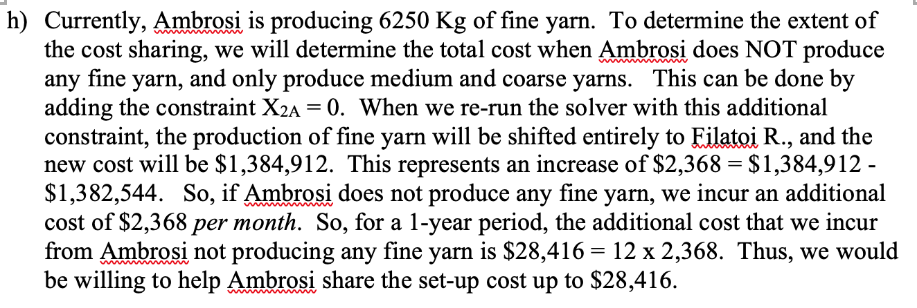
DEMAND TO MEET
(Kg/month)
 | Extrafine | Fine | Medium | Coarse
 | 25,000 | 26,000 | 28,000 | 28,000

OBJECTIVE FUNCTION
Total cost (production+transportation) ($) |  |  |  | 1,384,912

CONSTRAINTS |  | Actual | sign | RHS
Capacity
 | Ambrosi | 2,500 | <= | 2,500
 | Bresciani | 3,000 | <= | 3,000
 | Castri | 2,500 | <= | 2,500
 | De Blasi | 954 | <= | 2,600
 | Estensi | 2,500 | <= | 2,500
 | Filatoi R. | 38,000 | <= | 38,000
 | Giuliani | 2,500 | <= | 2,500

Demand
 | Extrafine | 25,000 | >= | 25000
 | Fine | 26,000 | >= | 26,000
 | Medium | 28,000 | >= | 28,000
 | Coarse | 28,000 | >= | 28,000

(i)
Filatoi Riuniti - Model for optimizing the production schedule - March

DECISION VARIABLES |  |  |  |  | MACHINE HOURS REQUIRED FOR PRODUCTION |  |  |  |  | PRODUCTION
Product bought from each supplier (Kg/month) |  |  |  |  | (Hours/Kg) |  |  |  |  | CAPACITY
 | Size |  |  |  |  | Size |  |  |  | (Machine hours
Supplier | Extrafine | Fine | Medium | Coarse | Supplier | Extrafine | Fine | Medium | Coarse | per month)
Ambrosi | - | 6,250 | - | - | Ambrosi |  | 0.400 | 0.375 | 0.250 | 2,500
Bresciani | 4,286 | - | - | - | Bresciani | 0.700 | 0.500 | 0.350 | 0.250 | 3,000
Castri | 3,704 | - | - | - | Castri | 0.675 | 0.450 | 0.400 | 0.250 | 2,500
De Blasi | - | - | - | - | De Blasi |  | 0.450 | 0.350 | 0.200 | 2,600
Estensi | 3,846 | - | - | - | Estensi | 0.650 | 0.450 | 0.400 | 0.250 | 2,500
Filatoi R. | 13,164 | 19,750 | 18,817 | 28,000 | Filatoi R. | 0.625 | 0.500 | 0.425 | 0.425 | 38,000
Giuliani | - | - | 7,143 | - | Giuliani | 0.700 | 0.450 | 0.350 | 0.400 | 2,500
Giulian Overtime | - | - | 2,040 | - | Giulian Overtime | 0.700 | 0.450 | 0.350 | 0.400 | 2,500

COST OF PRODUCTION |  |  |  |  | COST OF TRANSPORTATION
($/Kg) |  |  |  |  | ($/Kg)
 | Size |  |  |  |  | Size |  |  |  | Round trip distance
Supplier | Extrafine | Fine | Medium | Coarse | Supplier | Extrafine | Fine | Medium | Coarse | (Km)
Ambrosi |  | 13.00 | 10.65 | 9.60 | Ambrosi | 0.30 | 0.30 | 0.45 | 0.45 | 30
Bresciani | 17.40 | 14.10 | 11.20 | 9.45 | Bresciani | 0.40 | 0.40 | 0.60 | 0.60 | 40
Castri | 17.40 | 14.22 | 11.00 | 9.50 | Castri | 0.80 | 0.80 | 1.20 | 1.20 | 80
De Blasi |  | 14.30 | 11.25 | 9.60 | De Blasi | 0.70 | 0.70 | 1.05 | 1.05 | 70
Estensi | 17.50 | 13.80 | 11.40 | 9.60 | Estensi | 0.70 | 0.70 | 1.05 | 1.05 | 70
Filatoi R. | 18.25 | 13.90 | 11.40 | 8.90 | Filatoi R. | - | - | - | - | -
Giuliani | 19.75 | 13.90 | 10.75 | 9.40 | Giuliani | 0.50 | 0.50 | 0.75 | 0.75 | 50
Giulian Overtime | 21.0337 | 14.8035 | 11.4488 | 10.0110 | Giulian Overtime | 0.50 | 0.50 | 0.75 | 0.75 | 50

 |  |  |  |  | ($/Kg/Km) | 0.010 | 0.010 | 0.015 | 0.015
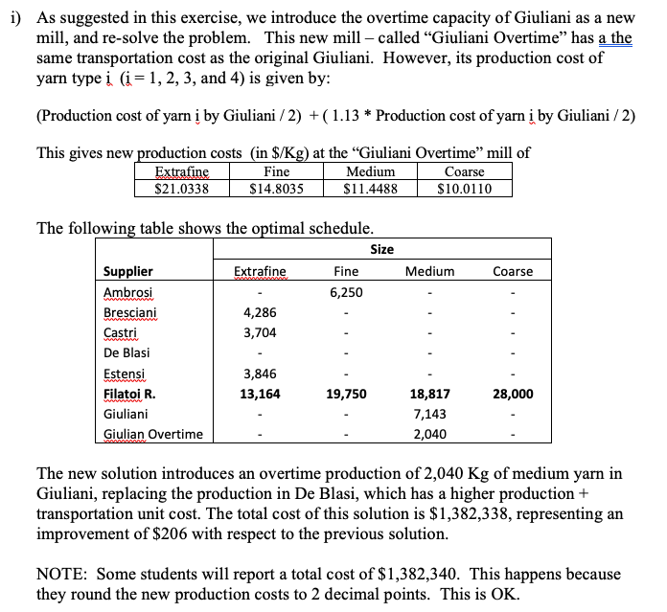
DEMAND TO MEET
(Kg/month)
 | Extrafine | Fine | Medium | Coarse
 | 25,000 | 26,000 | 28,000 | 28,000

OBJECTIVE FUNCTION
Total cost (production+transportation) ($) |  |  |  | 1,382,338

CONSTRAINTS |  | Actual | sign | RHS
Capacity
 | Ambrosi | 2,500 | <= | 2,500
 | Bresciani | 3,000 | <= | 3,000
 | Castri | 2,500 | <= | 2,500
 | De Blasi | - | <= | 2,600
 | Estensi | 2,500 | <= | 2,500
 | Filatoi R. | 38,000 | <= | 38,000
 | Giuliani | 2,500 | <= | 2,500
 | Giuliani Overtime | 714 | <= | 2,500
Demand
 | Extrafine | 25,000 | >= | 25000
 | Fine | 26,000 | >= | 26,000
 | Medium | 28,000 | >= | 28,000
 | Coarse | 28,000 | >= | 28,000

